Sheet1
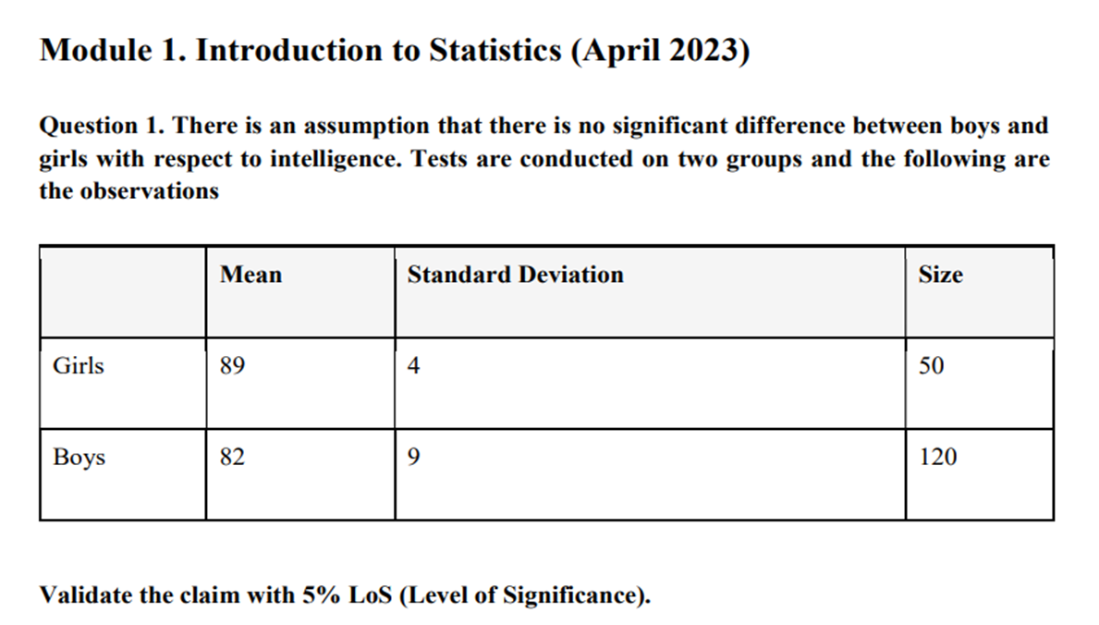
 | Null Hypothesis : There is no significant difference between the intelligence of boys and girls.
 | Alternative Hypothesis : There is a significant difference between the intelligence of boys and girls.

 | Here wer are using two tail test.
 | x̄1 | 89 |  | s1 | 4 |  | n1 | 50
 | x̄2 | 82 |  | s2 | 9 |  | n2 | 120

 | Calculate the t test :- | t = (x̄1 - x̄2)/(s1^2/n1)+(s2^2/n2)
 |  | value of t = | 7.035176

 | Calculate the Degree of Freedom | Df | (s1^2/n1) + (s2^2/n2 ) /((s1^2/n1)^2 /n1-1 + (s2^2/n2)^2/n2-1) |  |  |  |  |  | 168.1147 | or | df = n1+n2-2
 |  | (s1^2/n1) + (s2^2/n2 ) |  | 0.995
 |  | (s1^2/n1)^2 /(n1-1) |  | 0.00209
 |  | (s2^2/n2)^2/n2-1) |  | 0.003829

 | Calculate the P value | 4.81E-11
insights - >
 | Compare t-value with Critical Value

 | Calculated t = 7.035176
 | Critical value = 1.97
 | t is greater than critical value so here we are reject the null hypothesis

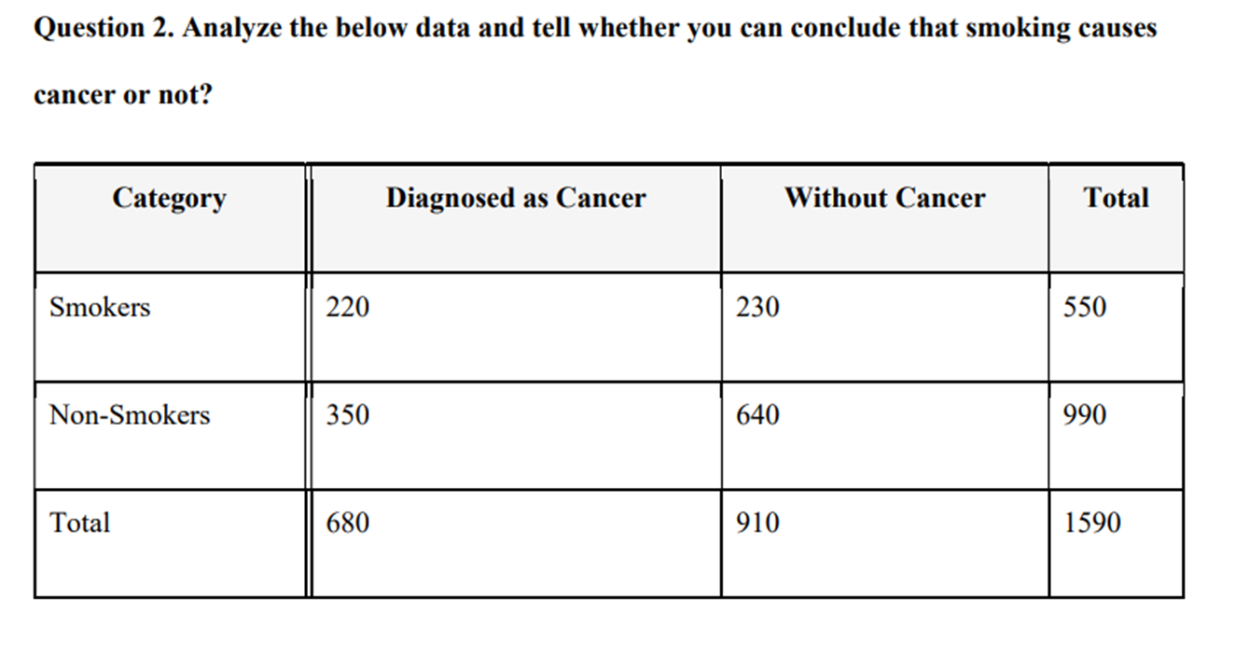
 |  | Assuem level of significant is 0.05 because here is no given any significant level
 |  | calulate the expected |  | row toral *column total / grand total
 |  |  |  |  | Smoker | Non_smoker
 |  | Diagnosed as Cancer expected |  |  | 235.220126 | 423.3962
 |  | Without Cancer expected |  |  | 314.779874 | 566.6038

 |  | Calculate the Chi square Statistics |  |  | Χ² = Σ [ (O_i – E_i)² / E_i ]

 |  | Χ² | chi squared
 |  | O_i | observed value
 |  | E_i | expected value

 |  | For Smokers (Diagnosed as Cancer) |  |  | 0.98483167

 |  | For Smokers (Without Cancer) |  |  | 22.8338203

 |  | For Non-Smokers (Diagnosed as Cancer) |  |  | 12.7233209

 |  | For Non-Smokers (Without Cancer) |  |  | 9.50753649

 |  | sum of all the values |  |  | 46.0495093

 |  | chi square test is |  | 46.04951

 | Calculate the degree of freedom (df) | (Rows - 1) × (Columns - 1) = (2-1) × (2-1) = 1
 | Value of P is |  | 0.002046

 | Comparision | here is P value is < 0.05 so here we are reject null hypotheiss(H0)

 | insights - >

